lung_i18
Lung Cancer (C33-C34): 1993-2018

Average per Year European Age-Standardised Incidence Rates per 100,000 Population, UK

Sex | 1993-1995 | 1994-1996 | 1995-1997 | 1996-1998 | 1997-1999 | 1998-2000 | 1999-2001 | 2000-2002 | 2001-2003 | 2002-2004 | 2003-2005 | 2004-2006 | 2005-2007 | 2006-2008 | 2007-2009 | 2008-2010 | 2009-2011 | 2010-2012 | 2011-2013 | 2012-2014 | 2013-2015 | 2014-2016 | 2015-2017 | 2016-2018
Female | 53.3 | 53.4 | 53.4 | 53.7 | 54.2 | 54.9 | 55.3 | 55.5 | 55.5 | 56.2 | 57.3 | 58.9 | 60.3 | 62.3 | 63.3 | 64.4 | 65.1 | 66.9 | 68.4 | 69.3 | 69.4 | 69.7 | 70.1 | 70.1
Male | 136.6 | 131.0 | 126.0 | 122.4 | 119.5 | 116.5 | 114.2 | 111.1 | 107.4 | 105.3 | 104.0 | 104.3 | 103.2 | 103.3 | 101.9 | 100.9 | 99.8 | 99.5 | 99.0 | 97.8 | 95.9 | 94.4 | 92.5 | 90.6
Persons | 86.5 | 84.6 | 82.7 | 81.5 | 80.7 | 79.9 | 79.3 | 78.3 | 77.0 | 76.5 | 76.6 | 77.7 | 78.2 | 79.4 | 79.5 | 79.8 | 79.8 | 80.8 | 81.4 | 81.5 | 80.8 | 80.3 | 79.7 | 79.0

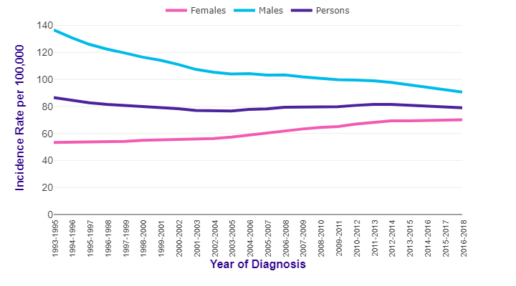

Source: cruk.org/cancerstats

You are welcome to reuse this Cancer Research UK statistics content for your own work.
Credit us as authors by referencing Cancer Research UK as the source.
Suggested style: Cancer Research UK, full URL of the page, Accessed [month] [year].

